NB
 | WOM | 36 | 37 | 37.5 | 38 | 38.5 | 39 | 39.5 | 40 | 40.5 | 41.5 |  |  |  |  |  |  |  | TOT | WHS | RET
 | MEN | 40.5 | 41.5 | 42 | 42.5 | 43 | 44 | 44.5 | 45 | 45.5 | 46.5 | 47.5
 | UNISEX | 37 | 37.5 | 38 | 38.5 | 39 | 39.5 | 40 | 40.5 | 41.5 | 42 | 42.5 | 43 | 44 | 44.5 | 45 | 45.5 | 46.5

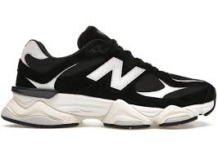 U9060AAA | MEN | 26 | 60 | 72 | 19 | 60 | 60 |  | 24 |  | 24 |  |  |  |  |  |  |  | 345 | 95.00 € | 190.00 €

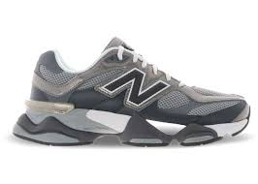 U906051K | MEN | 11 | 43 | 37 | 8 | 46 | 47 |  |  | 17 | 18 |  |  |  |  |  |  |  | 227 | 95.00 € | 190.00 €
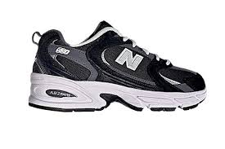 MR530CC | MEN | 7 | 7 | 4 | 19 | 29 | 13 |  | 18 | 18 |  |  |  |  |  |  |  |  | 115 | 60.00 € | 120.00 €

TOTALE |  |  |  |  |  |  |  |  |  |  |  |  |  |  |  |  |  |  | 687

